1. Title Page
Instacart Grocery Basket Analysis

Project Name: Instacart Grocery Basket Analysis
Date:17.08.2025
Analyst Name: Kaan Arslan

Contents:
Population Flow
Consistency checks
Wrangling steps
Column derivations
Visualizations
Recommendations

Citation:
“The Instacart Online Grocery Shopping Dataset 2017”, Accessed from www.instacart.com/datasets/grocery-shopping-2017 via Kaggle on Aug 17, 2025.

Note:
Customers dataset and prices were fabricated for the purpose of this course by Careerfoundry

2. Population Flow
Title page

Population flow

Exclusion flag
Condition: max_order < 5
Obervations to be removed: 1.440.295
Final total count of order_products_all: 30.964.564

Orders_products_combined
Orders_products_merged
Orders_products_all

Total:32.404.859
Total: 32.434.489
Total: 30.964.564

1.) The grey boxes in the first row of the population flow represent the original data sets as they were when you downloaded them. In the Total fields you need to add the count of the rows when you imported the data set into Jupyter.
2.) The second row of boxes (coloured) represents the data sets after you manipulated them, e.g., removed missing values and duplicates. In the Total fields you need to add the count of the rows after conducting these operations. This offers a visual oveview of how the data flows throughout the data consistency checks.
3.) The third row, where also the arrows are coloured, represents the merges you performed between the datasets. In the Total fields you need to add the count of the rows in the merged datasets, so that you end up with the final dataset (in the red box). Keep in mind the final dataset should be without exclusions (based on the exclusion flag).

3. Consistency checks
 |  |  |  |  | Title page
Consistency checks

Dataset | Missing values | Missing values treatment | Duplicates | Changes
orders | 206,209 | Median value is imputed | 0
products | 16 | Removed | 5 duplicates are removed | 2 outliers are changed to median value
orders_products_prior | 0 |  | 0
customers | 11259 | no action | 0

4. Wrangling steps
 |  |  |  | Title page
Wrangling steps

Columns dropped | Columns renamed | Columns' type changed | Comment/Reason
eval_set |  |  | irrelevant for the task
 | order_dow to orders_day_of_week |  | order_dow was vague
 |  | order_id's, user_id's and order_number's data types are changed to string | it looks integer but it should be string because it has no meaningful valuable as integer

 | user_id |  | Changed to User ID for uniform column names
 | Surnam |  | Changed to Last Name for uniform column names
 | STATE |  | Changed to State for uniform column names
 | date_joined |  | Changed to Date Joined for uniform column names
 | n_dependants |  | Changed to Number of Dependents for uniform column names
 | fam_status |  | Changed to Family Status for uniform column names
 | income |  | Changed to Income for uniform column names
_merge |  |  | Contains unnecessary information
 | Unnamed:0 |  | Changed to deparment_id for more comprehensibility

5. Column derivations
 |  |  |  |  |  |  | Title page

Column derivations and aggregations

In this tab you should add tables below that the frequences of flags/label variables that you produced after deriving them. NB: don't do this for continuous variables, only for flags.
Dataset | New column | Column/s it was derived from | Conditions
ords_prods_merge | max_order | user_id and order_number | ords_prods_merge['max_order'] = ords_prods_merge.groupby(['user_id'])['order_number'].transform('max')
ords_prods_merge | loyalty_flag | max_order | ords_prods_merge.loc[ords_prods_merge['max_order'] > 40, 'loyalty_flag'] = 'Loyal customer'
 |  |  | ords_prods_merge.loc[(ords_prods_merge['max_order'] <= 40) & (ords_prods_merge['max_order'] > 10), 'loyalty_flag'] = 'Regular customer'
 |  |  | ords_prods_merge.loc[ords_prods_merge['max_order'] <= 10, 'loyalty_flag'] = 'New customer' | customer_profile |  |  |  | Region
ords_prods_merge | avg_product_price | user_id and prices | ords_prods_merge['avg_product_price'] = ords_prods_merge.groupby(['user_id'])['prices'].transform('mean') | Other 9041143 |  |  |  | South 10791885
ords_prods_merge | spending_flag | avg_product_price | ords_prods_merge.loc[ords_prods_merge['avg_product_price'] >= 10, 'spending_flag'] = 'High spender' | Wealthy Professional 6983337 |  |  |  | West 8292913
 |  |  | ords_prods_merge.loc[ords_prods_merge['avg_product_price'] < 10, 'spending_flag'] = 'Low spender' | Retired/Old Adult 6058672 |  |  |  | Midwest 7597325
ords_prods_merge | median_days_between_orders | user_id and days_since_prior_order | ords_prods_merge['median_days_between_orders'] = ords_prods_merge.groupby(['user_id'])['days_since_prior_order'].transform('median') | Young Parent 5778490 |  |  |  | Northeast 5722736
ords_prods_merge | order_frequency_flag | median_days_between_orders | ords_prods_merge.loc[ords_prods_merge['median_days_between_orders'] > 20, 'order_frequency_flag'] = 'Non-frequent customer' | Budget-Conscious Family 1655304 |  |  |  | Name: count, dtype: int64
 |  |  | ords_prods_merge.loc[(ords_prods_merge['median_days_between_orders'] <= 20) & (ords_prods_merge['median_days_between_orders'] > 10), 'order_frequency_flag'] = 'Regular customer' | Young Adult 1447618
 |  |  | ords_prods_merge.loc[ords_prods_merge['median_days_between_orders'] <= 10, 'order_frequency_flag'] = 'Frequent customer' | Name: count, dtype: int64
ords_prods_merge | price_range_loc | prices | ords_prods_merge.loc[ords_prods_merge['prices'] > 15, 'price_range_loc'] = 'High-range product' |  |  |  |  | loyalty_flag
 |  |  | ords_prods_merge.loc[(ords_prods_merge['prices'] <= 15) & (ords_prods_merge['prices'] > 5), 'price_range_loc'] = 'Mid-range product' |  |  |  |  | Regular customer 15876776
 |  |  | ords_prods_merge.loc[ords_prods_merge['prices'] <= 5, 'price_range_loc'] = 'Low-range product' | spending_flag | High spender | Low spender |  | Loyal customer 10284093
ords_prods_merge | busiest_period_of_day | order_hour_of_day | results_periods = [] | Region |  |  |  | New customer 6243990
 |  |  | for value in ords_prods_merge['order_hour_of_day']: | Midwest | 29265 | 7568060 |  | Name: count, dtype: int64
 |  |  | if value in (9, 10, 11, 12, 13, 14, 15, 16): | Northeast | 18642 | 5704094
 |  |  | results_periods.append('Most orders') | South | 40579 | 10751306 |  | spending_flag
 |  |  | elif value in (7, 8, 17, 18, 19, 20, 21, 22): | West | 31223 | 8261690 |  | Low spender 32285150
 |  |  | results_periods.append('Average orders') |  |  |  |  | High spender 119709
 |  |  | else: | order_frequency_flag |  |  |  | Name: count, dtype: int64
 |  |  | results_periods.append('Fewest orders') | Frequent customer 22790523
 |  |  | result = [] | Regular customer 6927608 |  |  |  | orders_day_of_week
 |  |  |  | Non-frequent customer 2686728 |  |  |  | 0 6204182
 |  |  | for value in ords_prods_merge["orders_day_of_week"]: | Name: count, dtype: int64 |  |  |  | 1 5660230
 |  |  | if value == 0: |  |  |  |  | 6 4496490
ords_prods_merge | busiest_day | orders_day_of_week | result.append("Busiest day") | price_range_loc |  |  |  | 2 4213830
 |  |  | elif value == 4: | Mid-range product | 21865987 |  |  | 5 4205791
 |  |  | result.append("Least busy") | Low-range product | 10126321 |  |  | 3 3840534
 |  |  | else: | High-range product | 412551 |  |  | 4 3783802
 |  |  | result.append("Regularly busy") | Name: count, dtype: int64 |  |  |  | Name: count, dtype: int64
 |  |  | ords_prods_merge['busiest day']= result
 |  |  | results = [] | busiest day |  |  |  | busiest days
 |  |  | for value in ords_prods_merge['orders_day_of_week']: | Regularly busy 22416875 |  |  |  | Regular days 12916111
 |  |  | if value in (0, 1): | Busiest day 6204182 |  |  |  | Busiest days 11864412
 |  |  | results.append('Busiest days') | Least busy 3783802 |  |  |  | Slowest days 7624336
ords_prods_merge | busist_days | orders_day_of_week | elif value in (3, 4): | Name: count, dtype: int64 |  |  |  | Name: count, dtype: int64
 |  |  | results.append('Slowest days')
 |  |  | else:
 |  |  | results.append('Regular days')
 |  |  | ords_prods_merge['busiest days']=results
final_df | Region | State | northeast = ["Connecticut", "Maine", "Massachusetts", "New Hampshire",
 |  |  | "Rhode Island", "Vermont", "New Jersey", "New York", "Pennsylvania"]
 |  |  | midwest = ["Illinois", "Indiana", "Michigan", "Ohio", "Wisconsin",
 |  |  | "Iowa", "Kansas", "Minnesota", "Missouri",
 |  |  | "Nebraska", "North Dakota", "South Dakota"]
 |  |  | south = ["Delaware", "Florida", "Georgia", "Maryland", "North Carolina", "South Carolina",
 |  |  | "Virginia", "District of Columbia", "West Virginia", "Alabama", "Kentucky",
 |  |  | "Mississippi", "Tennessee", "Arkansas", "Louisiana", "Oklahoma", "Texas"]
 |  |  | west = ["Arizona", "Colorado", "Idaho", "Montana", "Nevada", "New Mexico",
 |  |  | "Utah", "Wyoming", "Alaska", "California", "Hawaii", "Oregon", "Washington"]

 |  |  | def region(state):
 |  |  | if state in northeast:
 |  |  | return "Northeast"
 |  |  | elif state in midwest:
 |  |  | return "Midwest"
 |  |  | elif state in south:
 |  |  | return "South"
 |  |  | elif state in west:
 |  |  | return "West"
 |  |  | else:
 |  |  | return "Unknown"
 |  |  | df["Region"] = df["State"].apply(region)
final_project | exclusion_flag | order_number | customer_orders = df.groupby("User ID")["order_number"].max().reset_index()
 |  |  | customer_orders["exclusion_flag"] = customer_orders["order_number"] < 5
final_project | customer_profile | Age and Number of Dependents | def customer_profile(row):
 |  |  | # Young Adult
 |  |  | if row['Age'] < 30 and row['Number of Dependents'] == 0:
 |  |  | return "Young Adult"

 |  |  | # Young Parent
 |  |  | if 25 <= row['Age'] <= 40 and row['Number of Dependents'] > 0 :
 |  |  | return "Young Parent"

 |  |  | # Wealthy Professional
 |  |  | if row['Income'] > 100000 and row['Number of Dependents'] <= 1:
 |  |  | return "Wealthy Professional"

 |  |  | # Budget-Conscious Family
 |  |  | if row['Income'] < 60000 and row['Number of Dependents'] >= 2:
 |  |  | return "Budget-Conscious Family"

 |  |  | # Retired / Old Adult
 |  |  | if row['Age'] > 60 :
 |  |  | return "Retired/Old Adult"

 |  |  | return "Other"

 |  |  | df_active["customer_profile"] = df_active.apply(customer_profile, axis=1)

6. Visualizations
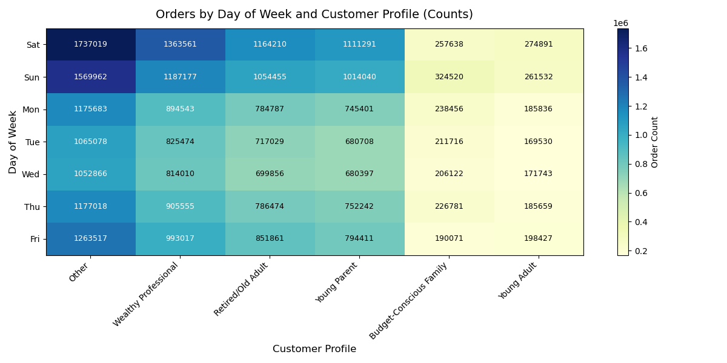
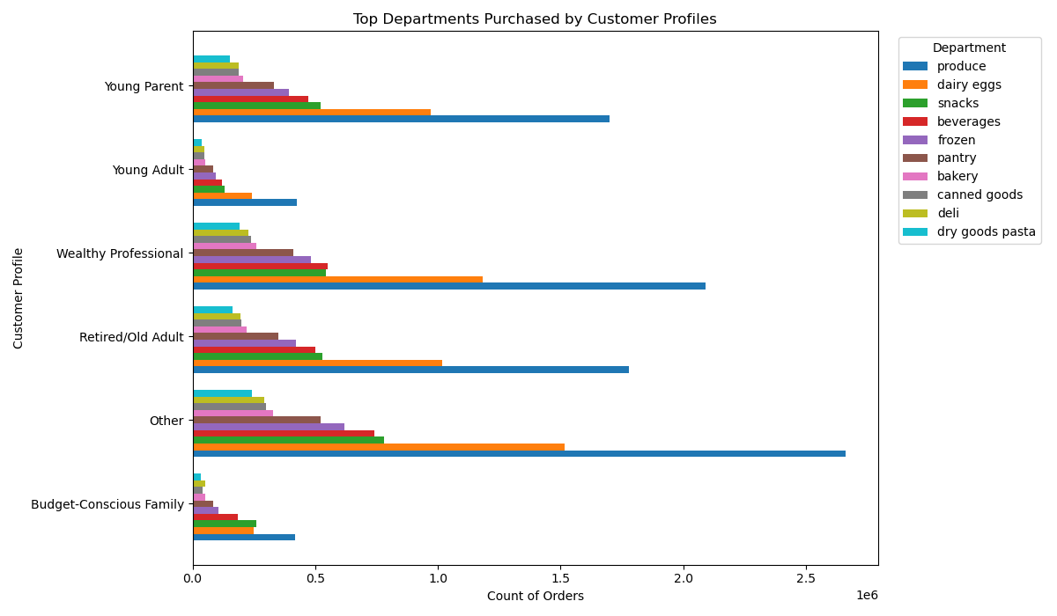
 |  |  |  | Title page

Visualisations

In this tab you should include all the visualtions from Exercises 4.9 and 4.10, alongside the questions from the project brief that they answer. Include any commentary on the relationship between different variables.

Key Question 1
The sales team needs to know what the busiest days of the week and hours of the day are (i.e., the days and times with the most orders) in order to schedule ads at times when there are fewer orders.
Comments
Histogram (Order Hour of Day):
Most orders are placed between 9 AM and 3 PM with a peak around midday. This suggests customers prefer to shop during working hours or right before lunch rather than late at night or very early in the morning.
Bar Chart (Orders by Day of Week):
Orders peak on Saturday (0) and remain high on Sunday (1) then decline during weekdays before picking up again toward the end of the week. This shows that Instacart customers prefer shopping on weekends when they have more free time.

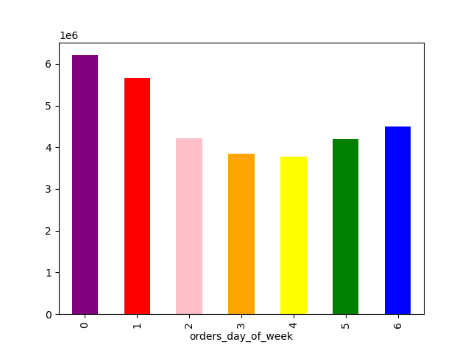

Key Question 2
They also want to know whether there are particular times of the day when people spend the most money, as this might inform the type of products they advertise at these times.
Comments
Prices by Day of the Week :
Average basket prices are slightly higher on weekends (Saturday and Sunday).
During weekdays, prices remain relatively stable and lower, showing less variation.
This suggests customers may purchase larger or more expensive baskets on weekends.
Prices by Hour of the Day :
Prices tend to peak early in the morning (around 3–5 AM), possibly due to bulk or special orders.
The lowest average prices occur mid-morning (around 9–10 AM).
After that prices gradually rise again throughout the afternoon and evening.
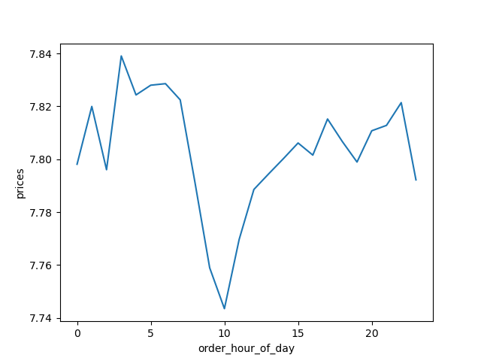
After that, prices gradually rise again throughout the afternoon and evening.
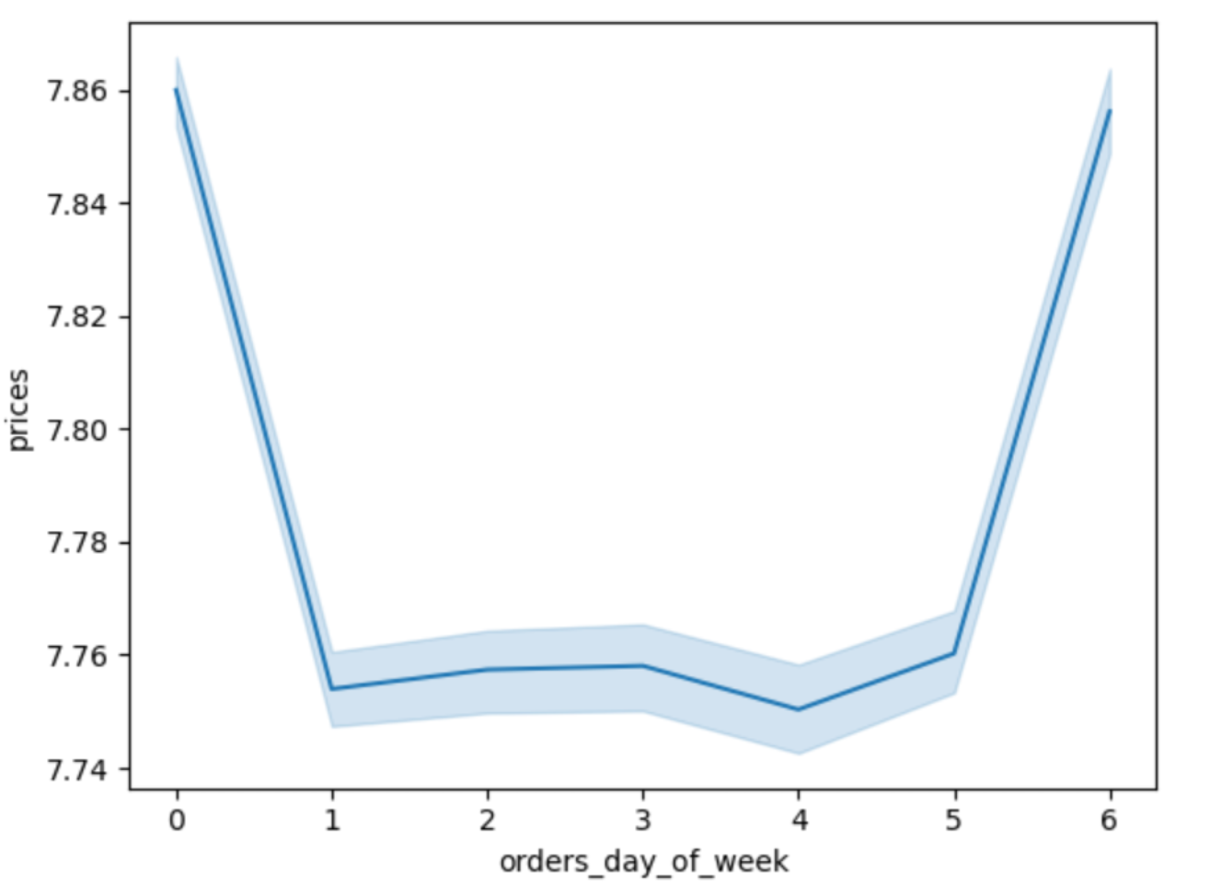

Key Questions 3
Instacart has a lot of products with different price tags. Marketing and sales want to use simpler price range groupings to help direct their efforts.
Comments
Mid-range products (5–15) dominate sales, making up the largest share of purchases. This suggests that customers prefer moderately priced items.
Low-range products (≤5) are the second most purchased, showing there is still a strong demand for budget-friendly options.
High-range products (>15) account for only a very small portion of sales, indicating they are niche or considered luxury items.
Price ranges
 | Mid-range product | 21865987
 | Low-range product | 10126321
 | High-range product | 412551

Key Question 4
Are there certain types of products that are more popular than others? The marketing and sales teams want to know which departments have the highest frequency of product orders.
Comments
The chart shows that produce is the most ordered department followed by dairy & eggs and snacks . The least ordered are bulk, other and pets.
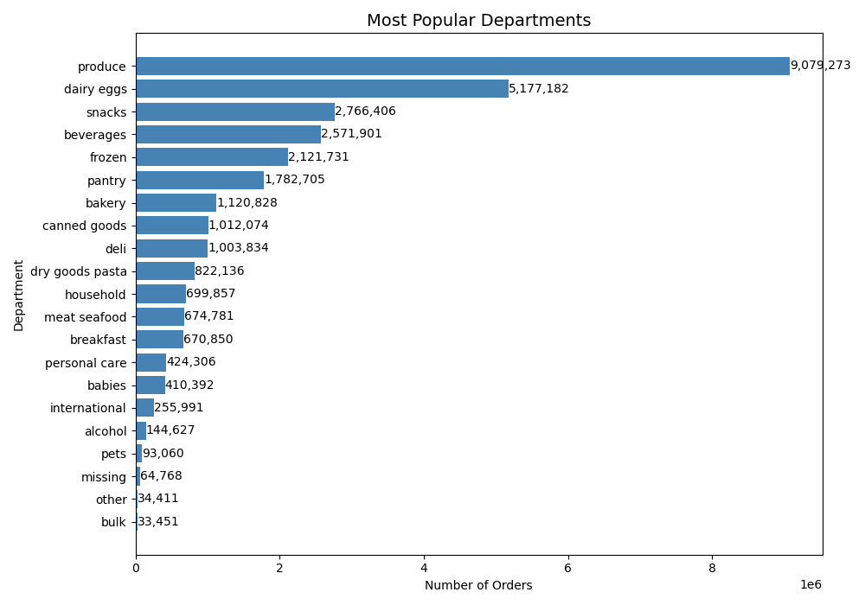

Key Question 5
What’s the distribution among users in regards to their brand loyalty (i.e., how often do they return to Instacart)?
Comments
Regular customers are the largest group with 15.9M orders, indicating a stable base of recurring buyers.
Loyal customers follow with 10.3M orders, showing strong brand commitment and frequent purchasing.
New customers make up the smallest group with 6.2M orders but they are still a significant portion of the customer base.



 |  |  | loyalty_flag
 |  |  | Regular customer 15876776
 |  |  | Loyal customer 10284093
 |  |  | New customer 6243990
 |  |  | Name: count, dtype: int64

Key Question 6
Are there differences in ordering habits based on a customer’s region?
Comments
Across all regions (Midwest, Northeast, South, and West), low spenders dominate at ~99.6–99.7%.
High spenders represent less than 1% (0.3–0.4%), showing very little variation between regions.

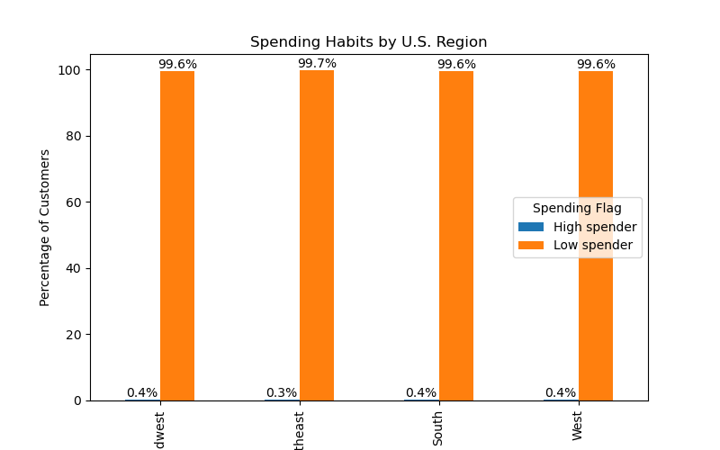

Key Question 7
What different classifications does the demographic information suggest? Age? Income? Certain types of goods? Family status?
Comments
The first chart shows that "Other", "Professional" and "Old Adult" are the largest customer profile groups while "Young Adult" and "Budget-Conscious Family" are the smallest. The scatter plot shows income generally increasing with age though there is wide variation at all ages. The last chart highlights regional differences: the South has the largest number of customers across all profiles, while the Northeast has the fewest.

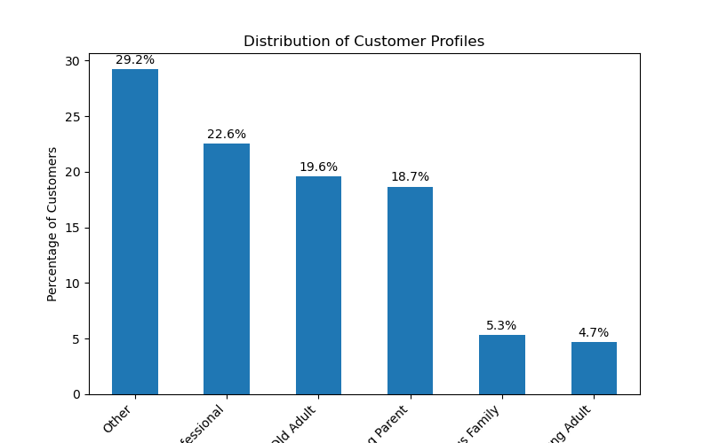
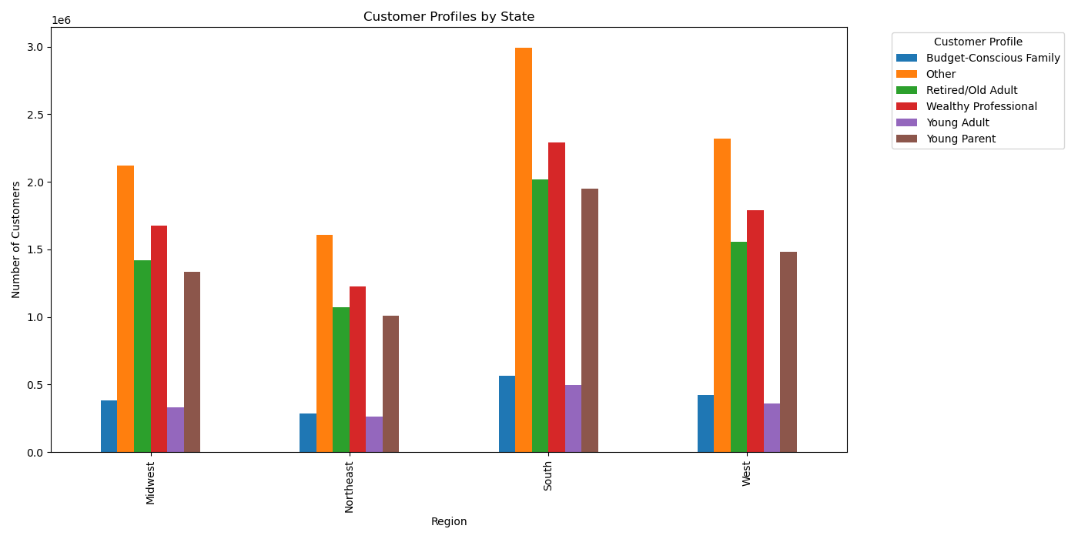

Key Question 8
What differences can you find in ordering habits of different customer profiles? Consider the price of orders, the frequency of orders, the products customers are ordering, and anything else you can think of.
Comments
Weekly Orders: Orders peak on weekends especially Saturday. “Other” and “Wealthy Professional” profiles consistently show the highest order volumes while “Budget-Conscious Family” and “Young Adult” profiles remain much lower.
Orders by Department: Across all profiles, Produce is the top department followed by Dairy & Eggs and Snacks. “Other” and “Wealthy Professional” drive the highest volumes overall while “Budget-Conscious Family” contributes the least.

7. Recommendations
 |  |  | Title page

Recommendations

In this tab you should include any recommendations you would made to Instcart in terms of their marketing strategy based on the questions posed in the brief. Every key question has been covered in the Tasks of the Exercises - here you need to add an item - a visualisation or table/crosstable that is showing the answer in the data, acompanied by a comment from you. Please, list the questions below and add the answer underneath.

Questions |  | Recommendations
Key Question 1 | The busiest days of the week are Saturday and Sunday with consistently higher order volumes across all customer profiles. Midweek days, especially Tuesday and Wednesday show the lowest order counts. To maximize the impact of advertising the sales team should schedule ads during lower-demand periods (midweek, particularly Tuesday/Wednesday) rather than on weekends when customer activity is already high. This approach will help balance order traffic and increase engagement during slower periods.
The sales team needs to know what the busiest days of the week and hours of the day are (i.e., the days and times with the most orders) in order to schedule ads at times when there are fewer orders.

Key Question 2
They also want to know whether there are particular times of the day when people spend the most money, as this might inform the type of products they advertise at these times. | Order values peak in the afternoon and early evening hours suggesting customers are more likely to spend more during these times. The sales team should focus on promoting higher value or premium products in the afternoon/evening while scheduling ads for everyday essentials during morning or late-night hours when spending is lower.

Key Question 4
Are there certain types of products that are more popular than others? The marketing and sales teams want to know which departments have the highest frequency of product orders. | The most frequently ordered products come from the produce and dairy & eggs departments followed by snacks and beverages. Marketing should highlight these high demand categories in promotions while sales can use this insight to secure stronger supplier deals and ensure consistent stock levels.

Key Question 5
What’s the distribution among users in regards to their brand loyalty (i.e., how often do they return to Instacart)? | The majority of customers are regular users followed by a significant group of loyal customers while new customers form the smallest group. This suggests marketing should focus on converting new customers into regulars and rewarding loyal customers to maintain retention.

Key Question 7 | The South and West show higher customer counts, so campaigns there could be more localized.
What different classifications does the demographic information suggest? Age? Income? Certain types of goods? Family status?
 | Older adults often have higher income suggesting premium or specialty products could be targeted toward them. Younger adults may be more price sensitive.

Key Question 8
What differences can you find in ordering habits of different customer profiles? Consider the price of orders, the frequency of orders, the products customers are ordering, and anything else you can think of. | Marketing should tailor strategies like push household items and family oriented deals to “Young Parents” convenience/snack products to “Wealthy Professionals” and highlight value bundles for “Budget-Conscious Families.”

